ART
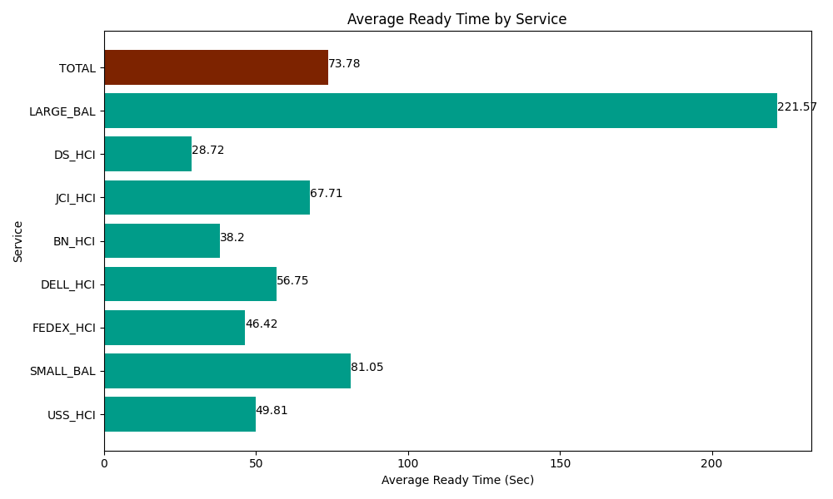
Date | Service | Successful Op Transfer | In Call (Sec) | Ready (Sec) | Wrapup (Sec) | Not Ready (Sec) | Average Ready Time (Sec)
05-02-2024 | USS_HCI | 232 | 31774.200439 | 11554.80011 | 29488.800659 | 9874.8001099 | 49.81
05-02-2024 | SMALL_BAL | 120 | 6241.7999268 | 9726.0003662 | 26134.200439 | 16448.999634 | 81.05
05-02-2024 | FEDEX_HCI | 91 | 7015.1998901 | 4224.0000916 | 5651.9998169 | 8677.800293 | 46.42
05-02-2024 | DELL_HCI | 158 | 16006.799927 | 8966.9998169 | 48219.001465 | 23929.799194 | 56.75
05-02-2024 | BN_HCI | 1033 | 58156.201172 | 39460.799561 | 98165.998535 | 50652.000732 | 38.2
05-02-2024 | JCI_HCI | 248 | 25411.199341 | 16791.000366 | 25426.799927 | 5040 | 67.71
05-02-2024 | DS_HCI | 461 | 37246.201172 | 13237.800293 | 52614.001465 | 52000.198975 | 28.72
05-02-2024 | LARGE_BAL | 7 | 528.00001144 | 1551.0000229 | 409.2000103 | 238.80000114 | 221.57
 | TOTAL | 2350 | 182379.60188 | 105512.40063 | 286110.00232 | 166862.39894 | 73.78

